Datailed Inquiry Information
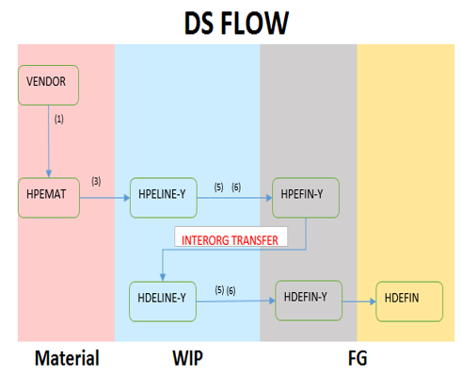
Detailed Inquiry Information

 | Current MDC Organization | To be: MDS Organization
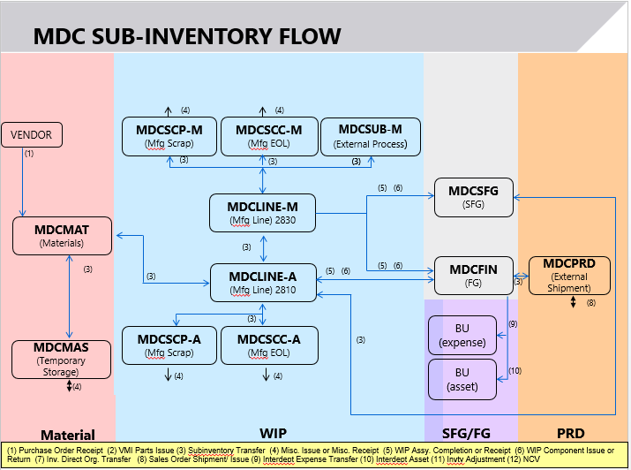
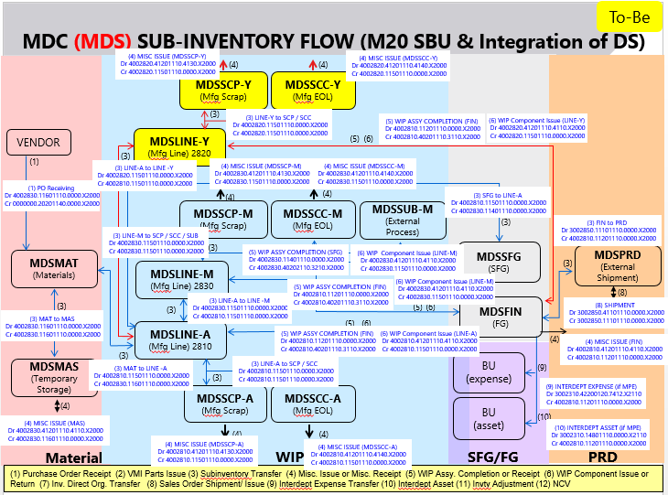

 | Current DS Sub-Inventory System

Helpdesk Request
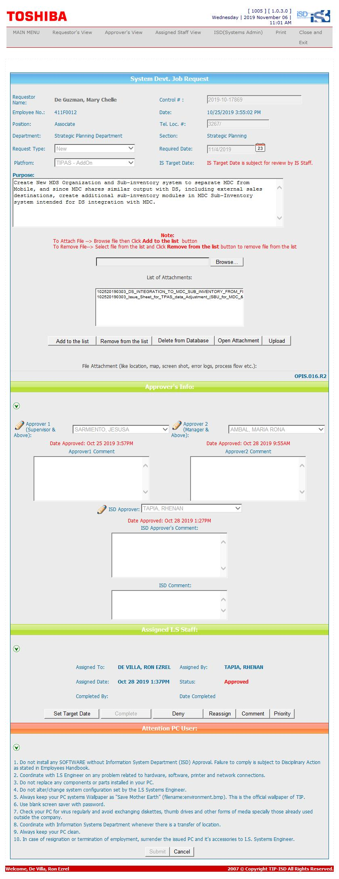
Helpdesk Request

